1. Title Page
Grocery Basket Analysis

Project Name: Instacart Grocery Basket Analysis
Date: 12 April 2023
Analyst Name: Janaya Brown

Contents:
Population Flow
Consistency checks
Wrangling steps
Column derivations
Visualizations
Recommendations

“The Instacart Online Grocery Shopping Dataset 2017”, Accessed from https://www.instacart.com/datasets/grocery-shopping-2017 on [date].

2. Population Flow
Title page

Population flow

Exclusion flag
Condition: max_order < 99
Obervations to be removed: n/a
Final total count of order_products_all: 32404859

Orders_products_combined
Orders_products_merged
Orders_products_all

Total: 32404859
Total: 32434489
Total: 32404859

1.) The grey boxes in the first row of the population flow represent the original data sets as they were when you downloaded them. In the Total fields you need to add the count of the rows when you imported the data set into Jupyter.
2.) The second row of boxes (coloured) represents the data sets after you manipulated them, e.g., removed missing values and duplicates. In the Total fields you need to add the count of the rows after conducting these operations. This offers a visual oveview of how the data flows throughout the data consistency checks.
3.) The third row, where also the arrows are coloured, represents the merges you performed between the datasets. In the Total fields you need to add the count of the rows in the merged datasets, so that you end up with the final dataset (in the red box). Keep in mind the final dataset should be without exclusions (based on the exclusion flag).

3. Consistency checks
 |  |  |  | Title page
Consistency checks

Dataset | Missing values | Missing values treatment | Duplicates
orders | 260209 | could not drop because over 5% of the data was missing, inputted 0s instead | none
products | 16 | dropped from dataset | 5 - removed from dataset
orders_products_prior | none | n/a | none
customers | 0 | none | none
orders_products_merged | marked unusual prices as missing | n/a | none

4. Wrangling steps
 |  |  |  | Title page
Wrangling steps

Columns dropped | Columns renamed | Columns' type changed | Comment/Reason
eval_set |  |  | did not contain pertainent information
 | order_dow to orders_day_of_week |  | Clarity
 |  | order_id to string | ID numbers should be intrepreted as strings
 |  | user_id to string | ID numbers should be intrepreted as strings
 |  | first_name | was mixed datatype and changed to string
 | First Name to first_name |  | consistency in naming practices
 | Surnam to last_name |  | consistency in naming practices
 | Gender to sex |  | technically more correct
 | STATE to state |  | consistency in naming practices
 | Age to age |  | consistency in naming practices
 | n_dependents to number_of_dependents |  | reduce ambiguity
Unnamed: 0

5. Column derivations
 |  |  |  | Title page

Column derivations and aggregations

In this tab you should add tables below that the frequences of flags/label variables that you produced after deriving them. NB: don't do this for continuous variables, only for flags.
Dataset | New column | Column/s it was derived from | Conditions
orders_products_merged | price_range | prices | prices <= 5 -- Low-range product prices > 5 & prices <=15 == Mid-range product prices . 15 -- High-range product
orders_products_merged | price_range_loc | prices | prices <= 5 -- Low-range product prices > 5 & prices <=15 == Mid-range product prices > 15 -- High-range product
orders_products_merged | busiest_day | orders_day_of_week | Saturday (0) -- Busiest day Wedneday (4) -- Least busy All other values -- Regularly busy
orders_products_merged | busiest_days | orders_day_of_week | Saturday (0) and Sunday (1) -- Busiest day Wedneday (4) and Wuesday (3) -- Least busy All other values -- Regularly busy
orders_products_merged | buesiest_period_of_day | order_hour_of_day | The average order time +/- 1 standard deviation -- Average orders Any time with more than average orders -- Fewest orders Any time with fewer than average orders
orders_products_merged | loyalty_flag | max_order | max_order > 40 -- Loyal customer max_order <=40 & max_order > 10 -- Regular customer max_order <= 10 -- New customer
orders_products_merged | spending_flag | mean_price | mean_price < 10 -- Low spender mean_price >= 10 -- High spender
orders_products_merged | freq_flag | med_order_freq | med_order_freq > 20 -- Non-frequent customer med_order_freq <=20 & med_order_freq > 10 -- Regular customer med_order_freq <= 10 Freqeunt customer
orders_products_all | region | state | states were placed into regions in accordance with this Wikipedia article: https://simple.wikipedia.org/wiki/List_of_regions_of_the_United_States
orders_products_all | activity_flag | max_order | max_order < 5 -- low activity max order >= 5 -- good activity
orders_products_all | profile | number_of_dependents, age, income, and department_id | number_of_dependents >=1 & department_id = 18 -- New Parent number of dependets = 0 and age < 65 -- Single Adult number of dependets = 0 and age >= 65 -- Retired Adult number_of_dependents >= 1, income < 50000 and deparment_id != 18 -- Single parent number_of_dependents >= 1, income >= 50000 and deparment_id != 18 -- Partnered parent

6. Visualizations
 |  |  |  | Title page

Visualisations

 | Total Orders by Day of the Week |  |  |  |  | Product Price Distribution
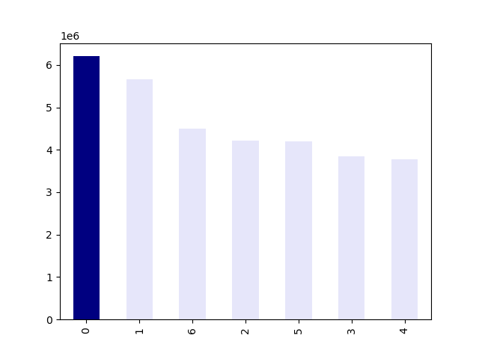
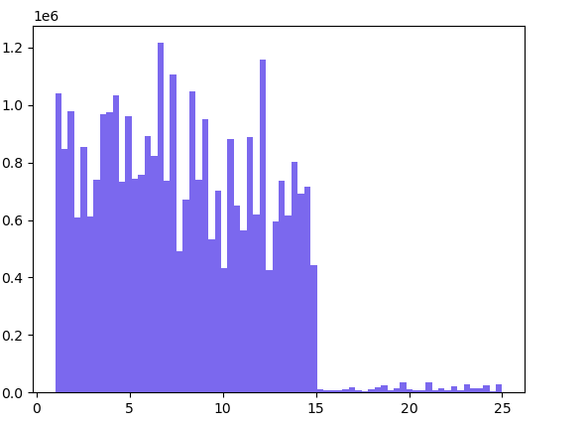

Number of Orders |  |  |  |  | Frequency

 |  |  | Sunday (0) is the busiest day of the week, while Wednesday (4) is the least busy. |  |  |  |  |  | Most products bought by customers cost less than $15.

 | Day of the Week |  |  |  |  | Product Price

 | Relationship Between Day of the Week and Average Product Price |  |  |  |  | The Distrubution of Total Order Throughout the Day

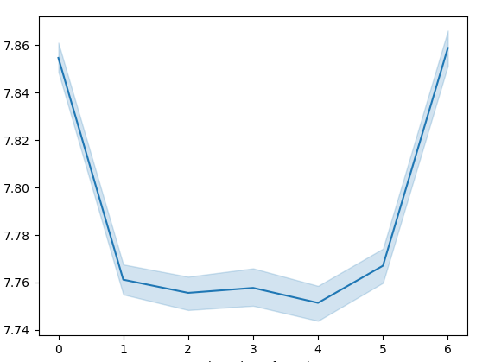


Price |  |  |  |  | Freqeuncy

 |  |  | While there is little difference in the product orices from day to day, the highest average occur on Sunday and Saturday. |  |  |  |  |  | Most orders occur between 10 am and 3 pm. The fewest ordersoccur between midnight and 5 am.

 | Day of the Week |  |  |  |  | Time of Day

 | Distribution of Customer Base According to Loyalty Staus |  |  |  |  | Relationship Between Product Price and Time of Day

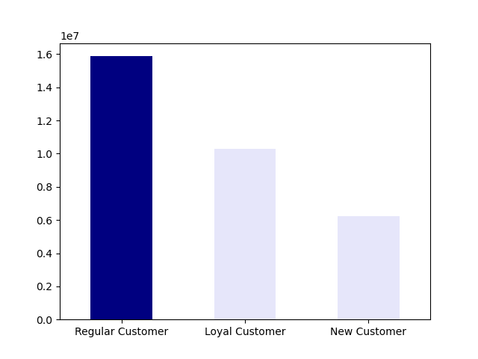
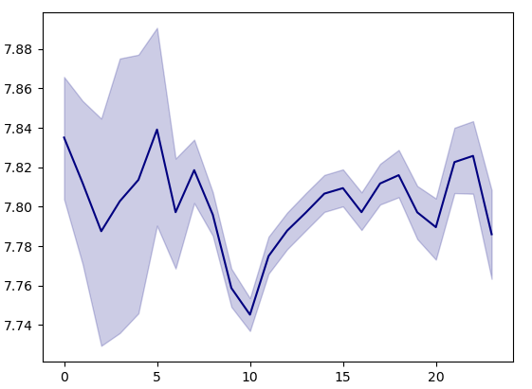
Freqeuncy |  |  |  |  | Product Price

 |  |  | Most customers are regular cutomers. |  |  |  |  |  | While there is not a strong corrlation bewteen price and time of day, it it clear the the least expensive purchases occur at 10 am.

 |  |  |  |  |  | Time of Day

 | Relationship Between Age and Average Number of Dependents |  |  |  |  | Relationship Between Age and Income
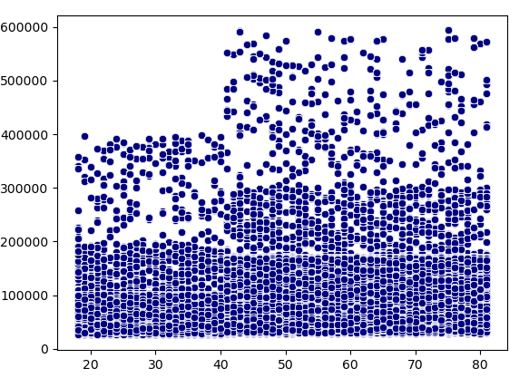
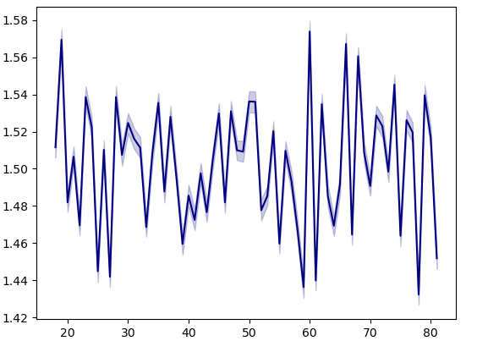
Number of Dependents |  |  |  |  | Income

 |  |  | There is no correlation between age and number of dependents. |  |  |  |  |  | There is not correlation between age and income. With that said, most customers makes less $200,000 USD, which is reasonable.

 | Age |  |  |  |  | Age

 | Customer Distribution According to Profile |  |  |  |  | Regional Customer Spending Habits
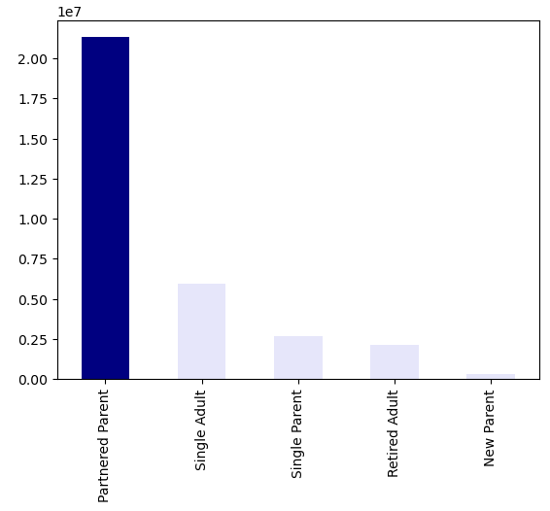
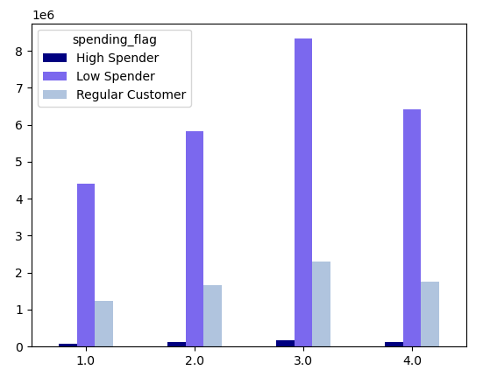
Frequency |  |  |  |  | Freqeuncy

 |  |  | Most customers are partnered parents followed by single adults, single parents, retired adults, and new parents. |  |  |  |  |  | Region 3 has the most customers in every category. Region 2 and Region 4 have nearly identical spending habits. Region 1 has the fewest number of customers in every metric.

 |  |  |  |  |  | Region

 | Customer Type Distribution by Region |  |  |  |  | Customer Type Distribution by Department
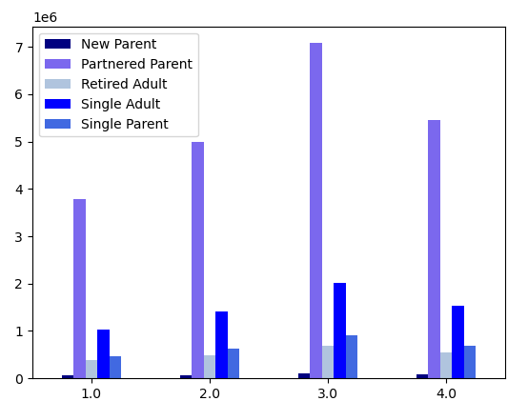
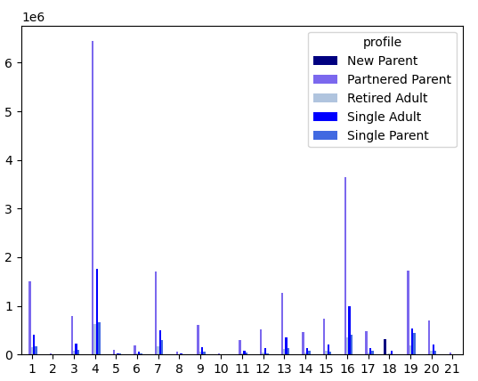
 |  | Partnered parents spend have the most purchases in all regions followed by single adults, single parents, retired adults, and nwe parents, respectively. New parents are nearly equally represented in every region. Region 3 has the most purchases |  |  |  |  |  | Most purchases are from partnered parents by produce, eggs, and dairy. Single and retired adults follow the same spending habits. Single parents also make the most puchases in produce by purchase nearly equal amounts of snack as dairy and eggs.
Number of Orders |  |  |  |  | Number of Orders

 | Region

 |  |  |  |  |  | Department ID

 | Region 1 Customer Type Distribution by Department |  | Region 2 Customer Type Distribution by Department

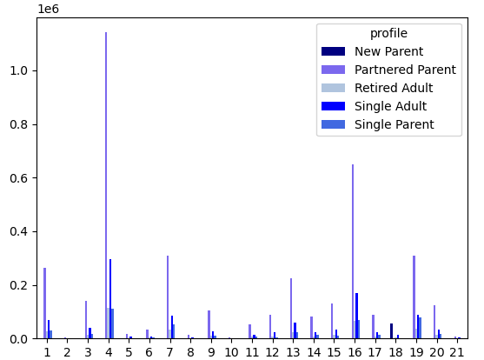

Number of Orders |  | Number of Orders |  |  | Number of Orders

 |  |  |  |  |  |  | The department trends previously mentioned are the same for each region and do not vary from place to place.

 | Department ID |  | Department ID

 | Region 3 Customer Type Distribution by Department |  | Region 4 Customer Type Distribution by Department

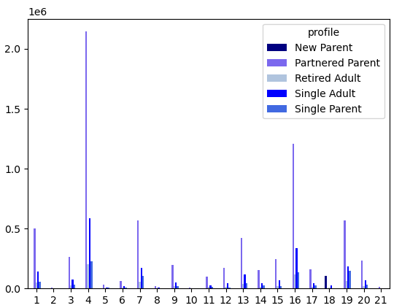

Number of Orders |  | Number of Orders

 | Department ID |  | Department ID

7. Recommendations
 |  |  |  |  |  | Title page

Recommendations

In this tab you should include any recommendations you would made to Instcart in terms of their marketing strategy based on the questions posed in the brief. Every key question has been covered in the Tasks of the Exercises - here you need to add an item - a visualisation or table/crosstable that is showing the answer in the data, acompanied by a comment from you. Please, list the questions below and add the answer underneath.

The sales team needs to know what the busiest days of the week and hours of the day are (i.e., the days and times with the most orders) in order to schedule ads at times when there are fewer orders.

 |  | Total Orders by Day of the Week |  |  | The Distrubution of Total Order Throughout the Day

 | Number of Orders |  |  | Freqeuncy

 |  | Day of the Week |  |  | Time of Day

 |  | The busiest day of the week is Saturday (followed by Sunday), and the buiest times of the day are between 10 am and 3 pm.

They also want to know whether there are particular times of the day when people spendthe most money, as this might inform the type of products they advertise at these times.

 |  | Relationship Between Product Price and Time of Day

 | Price |  |  | While there is not a strong corrlation bewteen price and time of day, it it clear the the least expensive purchases occur at 10 am.

 |  | Time of Day

Instacart has a lot of products with different price tags. Marketing and sales want to use simpler price range groupings to help direct their efforts.

 |  |  | Products were grouped according to price using the following specifications:
 |  |  | prices <= 5 -- Low-range product
 |  |  | prices > 5 & prices <=15 == Mid-range product
 |  |  | prices > 15 -- High-range product
 |  |  | The results are shown to the left

What’s the distribution among users in regards to their brand loyalty (i.e., how often do they return to Instacart)?

 |  | Distribution of Customer Base According to Loyalty Staus

 |  |  |  | Most users are regular customers (users 10 - 40 orders). Loyal customers (users with 40+ orders) are the next most common, followed by new customers (users with < 10 orders).
 | Freqeuncy

What different classifications does the demographic information suggest? Age? Income? Certain types of goods? Family status?

 |  | Customer Distribution According to Profile

 |  |  |  | Customer profiles were created in accordance with the following specifications:
 | Frequency
 |  |  |  | number_of_dependents >=1 & department_id = 18 -- New Parent number of dependets = 0 and age < 65 -- Single Adult number of dependets = 0 and age >= 65 -- Retired Adult number_of_dependents >= 1, income < 50000 and deparment_id != 18 -- Single parent number_of_dependents >= 1, income >= 50000 and deparment_id != 18 -- Partnered parent

 |  |  |  | Most customers are partnered parents followed by single adults, single parents, retired adults, and new parents.

Are there certain types of products that are more popular than others? The marketing and sales teams want to know which departments have the highest frequency of product orders.

 |  | Customer Type Distribution by Department

 |  |  |  | Most purchases are from partnered parents by produce, eggs, and dairy. Single and retired adults follow the same spending habits. Single parents also make the most puchases in produce by purchase nearly equal amounts of snack as dairy and eggs.
 | Number of Orders

 |  | Department ID

Are there differences in ordering habits based on a customer’s region?

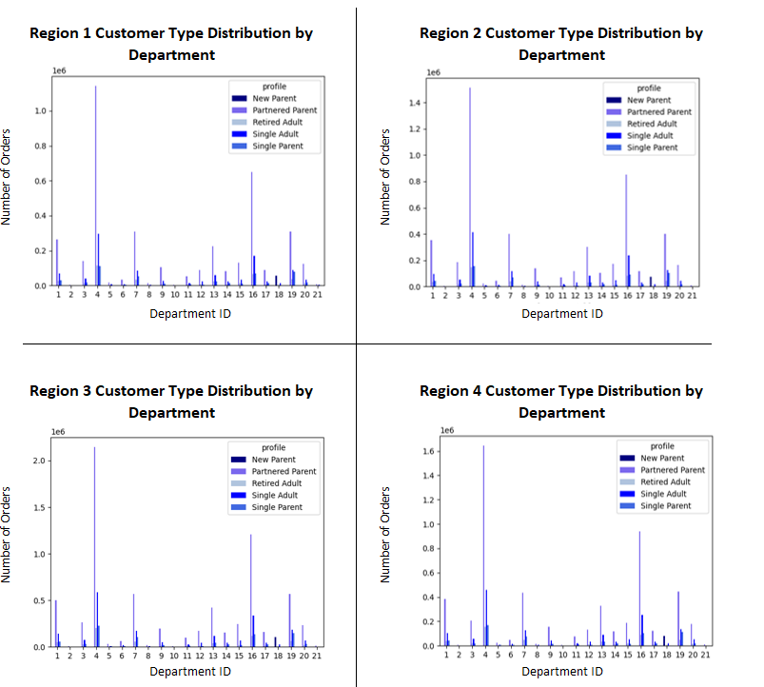

 |  |  |  |  | The department trends previously mentioned are the same for each region and do not vary from place to place.

Are there differences in ordering habits based on a customer’s loyalty status?

 |  |  |  |  | New customers tend to spend more than loyal or regular customers

Is there a connection between age and family status in terms of ordering habits? What differnces can you find in orderig habits of different customer profiles?

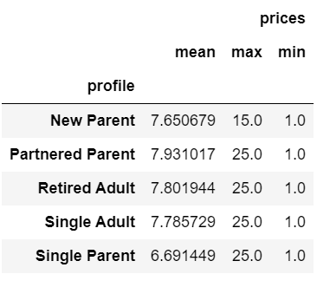
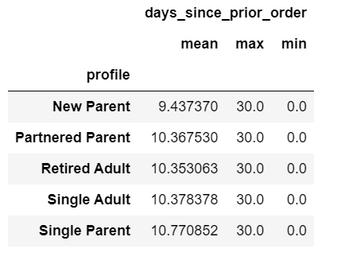
 |  |  |  |  | Singe parents spend significantly less on average than the other profile types.
 |  |  |  |  | New parents oder more frequently than the other profiles.
 |  |  |  |  | The max product price for new parents is $10 less than that for other profiles ($15 vs $25)

